FlowChart
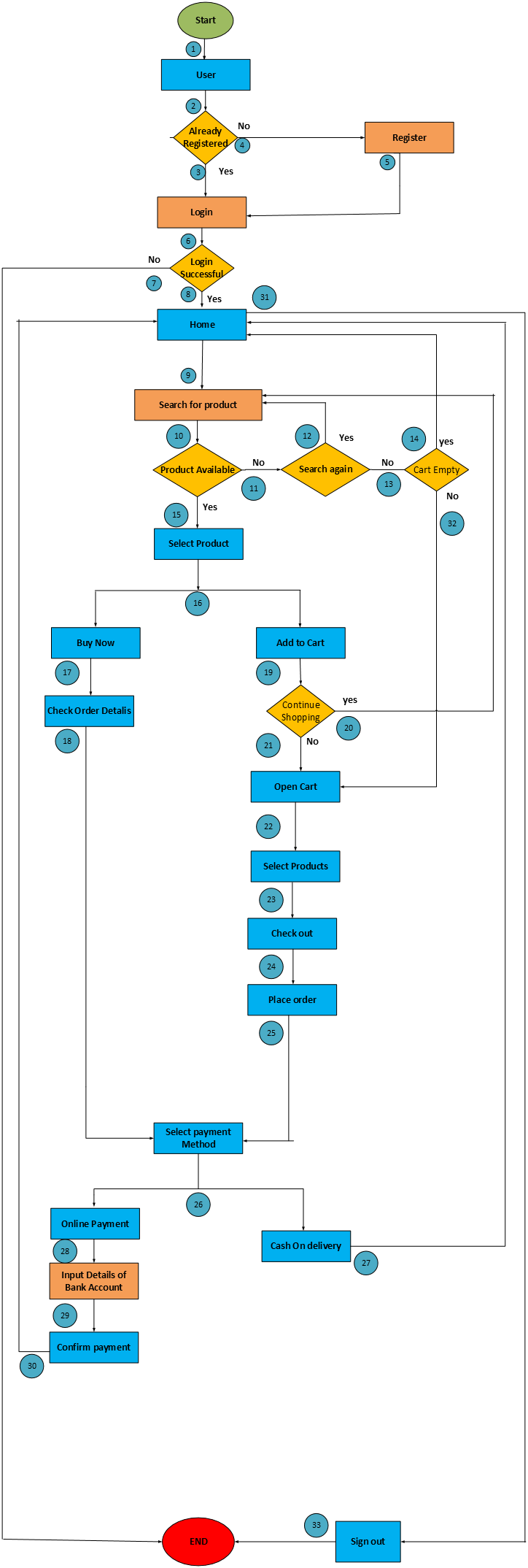
FlowChart for Online order system
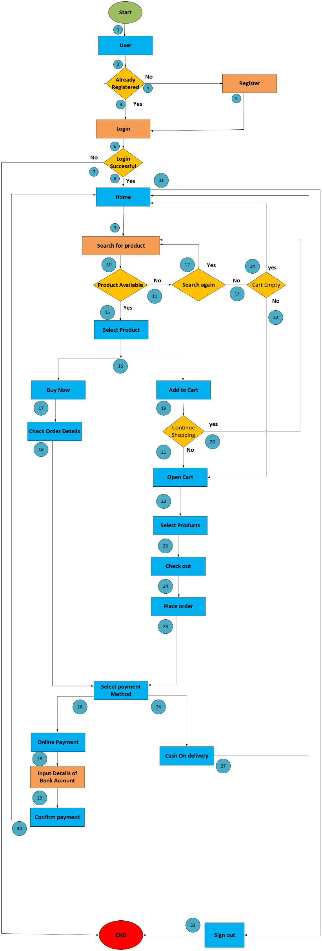
Problem: Draw a flowchart for Online order system
To keep the flowchart simple, many assumptions have been made, such as when the user goes to the home page, they can only search for a product, etc.

